Sheet0
Preferred Provider Directory |  |  |  |  |  |  |  | 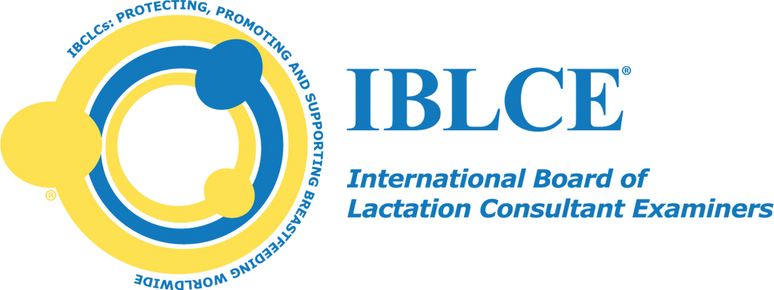
Verification Number | Programme Provider | Name of Programme | CERPs Recognised | Detailed Content Outline Domain | Approval Start Date | Approval End Date | Region
325045K | Ausbildungsakademie Stillen und Laktation | Webinar- Konzeption und professionelle Leitung von Stillgruppen | 2.00 L 3.00 R | Contact Provider for Further Information | 2025-04-30 | 2026-04-30 | Europe, the Middle East & North Africa
JC25045 | 公益社団法人桶谷式母乳育児推進協会 | 2025年度桶谷セミナー（2025Oketani Seminar） | 1.50 L | Contact Provider for Further Information | 2025-09-11 | 2026-09-10 | Asia Pacific & Africa
C2025404 | The Birth Center of Bloomington Normal | "Believe" in Breastfeeding: Empowering Parents and Providers the "Ted Lasso" Way | 11.00 L 1.50 R | Contact Provider for Further Information | 2025-05-02 | 2026-05-01 | Americas & Israel
325069K | Ausbildungsakademie Stillen und Laktation GmbH | "Das habe ich doch schon dreimal erzählt.“ Über die Wichtigkeit, Infos an Eltern so zu geben, dass sie ankommen. | 3.00 L 3.00 R | Contact Provider for Further Information | 2025-06-02 | 2026-06-02 | Europe, the Middle East & North Africa
325038K | Društvo svetovalcev za laktacijo in dojenje Slovenije | 15 strokovno srečanje: IBCLC svetovalci izboljšujemo znanje | 3.50 L | Contact Provider for Further Information | 2025-03-21 | 2026-03-21 | Europe, the Middle East & North Africa
C2025385 | Lactation College, LLC | 20 YEARS BABY-FRIENDLY; PERSONAL REFLECTION ON CHANGES | 1.00 L | Contact Provider for Further Information | 2025-04-24 | 2026-04-23 | Americas & Israel
C2025575 | Association québécoise des consultantes en lactation certifiées (AQC) | 2025 Annual General Meeting | 3.00 L | III. Pathology VII. Clinical Skills | 2025-11-15 | 2026-11-14 | Americas & Israel
C2025397 | Canadian Lactation Consultants Association | 2025 CLCA Speaker Series | 2.00 L | Contact Provider for Further Information | 2025-04-26 | 2026-04-25 | Americas & Israel
C2025365 | La Leche League of Connecticut | 2025 Healthcare Provider Seminar | 4.50 L 1.00 R | Contact Provider for Further Information | 2025-04-24 | 2026-04-23 | Americas & Israel
C2025430 | Idaho Breastfeeding Coalition | 2025 Idaho Breastfeeding Summit | 5.50 L 1.00 E 5.00 R | Contact Provider for Further Information | 2025-06-23 | 2026-06-22 | Americas & Israel
C2025548 | Vital Village Networks | 2025 NATIONAL COMMUNITY LEADERSHIP SUMMIT | 4.00 R | V. Psychology, Sociology, and Anthropology | 2025-10-23 | 2026-10-22 | Americas & Israel
C2025446 | Nutrition First | 2025 Nutrition & Lactation Update: Enhancing Skills for Tomorrow's Challenges | 6.00 L 3.00 R | Contact Provider for Further Information | 2025-06-09 | 2026-06-08 | Americas & Israel
325027K | ALCI | 2025 Spring Study Day | 6.00 L | Contact Provider for Further Information | 2025-03-08 | 2026-03-08 | Europe, the Middle East & North Africa
C202522 | Sydney Breastfeeding Medicine Network | 2025 Sydney and NSW Network Breastfeeding Medicine Forum | 5.25 L 0.75 R | Contact Provider for Further Information | 2025-05-01 | 2026-04-30 | Asia Pacific & Africa
C2025521 | Colorado Department of Public Health and Environment - WIC Program | 2025 WIC Breastfeeding Peer Counselor Training | 2.00 L | I. Development and Nutrition VII. Clinical Skills | 2025-09-12 | 2026-09-11 | Americas & Israel
325068K | Stillforum Leipzig e.V. | 22. Interdisziplinäres Seminar | 4.50 L | Contact Provider for Further Information | 2025-04-02 | 2026-04-02 | Europe, the Middle East & North Africa
325112K | La Leche League Schweiz | 23. Öffentliche Herbstfachtagung 2025 | 2.50 L 1.25R | I. Development & Nutrition V. Psychology, Sociology & Anthropology | November 8, 2025 | November 7, 2026 | Americas & Israel
C2025428 | South Piedmont Area Health Education Center | 26th Annual Mother's Special Gift Breastfeeding Conference: Preparing for Success | 5.00 L 1.00 E | Contact Provider for Further Information | 2025-05-19 | 2026-05-18 | Americas & Israel
C2025402 | North Carolina State University Maternal and Infant Lactation Knowledge (MILK) Research and Educational Group | 2nd Annual MILK Conference | 4.00 L | Contact Provider for Further Information | 2025-04-25 | 2026-04-24 | Americas & Israel
325037K | ASOCIACIÓN ESPAÑOLA DE BANCOS DE LECHE HUMANA | 2º CICLO DE CONFERENCIAS DE LA AEBLH | 15.00 L 1.00 E | Contact Provider for Further Information | 2025-03-01 | 2026-03-01 | Europe, the Middle East & North Africa
C2025391 | EMORY UNIVERSITY | 35th Annual Conference on Breastfeeding Agenda | 12.00 L 1.00 R | Contact Provider for Further Information | 2025-04-15 | 2026-04-14 | Americas & Israel
C2025415 | Blank Children's Hospital | 35th Annual Iowa Breastfeeding Conference | 10.25 L 1.00 R | Contact Provider for Further Information | 2025-05-14 | 2026-05-13 | Americas & Israel
C202513 | School of Nursing and Midwifery Griffith University | 8048NRS Advanced Breastfeeding and Lactation | 186.00 L 19.50 E 4.25 R | Contact Provider for Further Information | 2025-03-01 | 2026-02-28 | Asia Pacific & Africa
C2024331 | HiveCE | A Neurobiological Approach to Trauma Informed Care | 3.00 R | Contact Provider for Further Information | 2025-04-16 | 2026-04-15 | Americas & Israel
C2024317 | Jan Tedder | A Nursing Strike is a sudden refusal to breastfeed in a baby who is thriving and who has successfully breastfed in the past. It most often occurs in babies 3-8 months old and can be triggered by changes in development and/or changes in the health, schedul | 2.00 L | Contact Provider for Further Information | 2025-02-24 | 2026-02-23 | Americas & Israel
C2025416 | Alaska Breastfeeding Coalition | ABC Conference: Alaska Lactation: Helping Families move from Cheechako to Sourdough | 10.00 L 2.25 R | Contact Provider for Further Information | 2025-06-01 | 2026-05-31 | Americas & Israel
C2025576 | Appalachian Breastfeeding Network | ABN Webinar Series Lactation & Intimacy Navigating Postpartum Fertility | 1.00 L | V. Psychology, Sociology, and Anthropology | 2025-11-25 | 2026-11-24 | Americas & Israel
325053K | Ausbildungsakademie Stillen und Laktation | Adipositas in Schwangerschaft und Stillzeit | 1.00 L 1.00 R | Contact Provider for Further Information | 2025-05-09 | 2026-05-09 | Europe, the Middle East & North Africa
C202504 | Education and Development Service (EODS) SWSLHD | Advanced Breastfeeding Course | 86.50 L 4.50 E 2.25 R | Contact Provider for Further Information | 2025-03-01 | 2026-02-28 | Asia Pacific & Africa
C2025518 | Dr. Paola Vallarino Orozco - MAMAS AU LAIT LACTATION | Advanced Lactation Program | 52.00 L 8.00 R | Contact Provider for Further Information | 2025-07-28 | 2026-07-27 | Americas & Israel
C2025550 | Michigan Association of Lactation Consultants | Advancement of Lactation Management | 5.00 L 1.50 E | I. Development and Nutrition III. Pathology IV. Pharmacology and Toxicology V. Psychology, Sociology and Anthropology VII. Clinical Skills | 2025-10-27 | 2026-10-26 | Americas & Israel
325052K | ALCI Association of Lactation Consultants in Ireland | ALCI AGM | 1.75 L | Contact Provider for Further Information | 2025-04-10 | 2026-04-10 | Europe, the Middle East & North Africa
325077K | Accademia Allattamento Scienza e Relazione (di Chiara Toti) | Allattamento e frenulo corto / Tongue Tie and Breastfeeding | 4.00 L | Contact Provider for Further Information | 2025-06-01 | 2026-06-01 | Europe, the Middle East & North Africa
325049K | LA LECHE LEAGUE ITALIA | ALLATTAMENTO E PRODUZIONE DI LATTE: Pratiche e strategie alla luce degli studi e delle evidenze scientifiche più recenti | 8.25 L 1.25 E | Contact Provider for Further Information | 2025-04-04 | 2026-04-04 | Europe, the Middle East & North Africa
325073K | Accademia Allattamento Scienza e Relazione di Chiara Toti | Allattare in posizione semireclinata: un approccio neurocomportamentale all’allattamento / Semi-reclined position: a neurobehavioral approach to breastfeeding | 4.00 L | Contact Provider for Further Information | 2025-06-01 | 2026-06-01 | Europe, the Middle East & North Africa
C2025370 | CDE Seminars | An Intro to Tongue Ties from Infancy to Adulthood | 7.00 L 1.50 R | Contact Provider for Further Information | 2025-04-05 | 2026-04-04 | Americas & Israel
...

